WS Sizing Calculations
 | Method
 |  |  |  |  | Clamping Screws for middle support to clamp down wash chamber
 |  |  |  |  |  |  |  |  |  |  | FS over Fatigue Limit
 | Piston Rod Size For Load Application
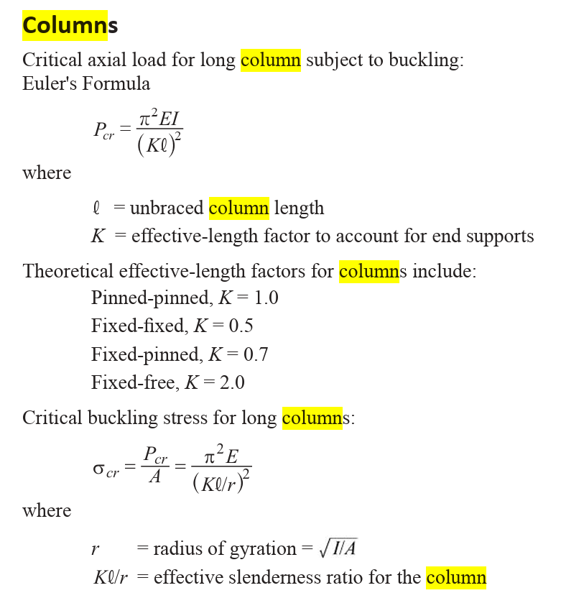
 | K | 2 |  | Assume Fixed/Free since no buckling load taken by piston sealing |  |  |  |  |  |  | Chamber Top Rod Size For Load Application |  |  | Reaction Force on Chamber Top Due to Pressure
 | I | 0.0033298664212 |  |  |  |  |  |  |  |  | # of Supports | 4 |  | Piston Area | 12.566370614
 | E | 28000000 |  |  |  |  |  |  |  |  | K | 2 |  | Max Water Pressue | 79.577471546
 | Pcr | 1000 |  |  |  |  |  |  |  |  | I | 0.0033298664212 |  | Chamber Top Wetted Area | 12.124584147
 | lmax | 10.725 |  |  |  |  |  |  |  |  | E | 28000000 |  | Reaction Force on Chamber Top Due to Pressure | 964.84375
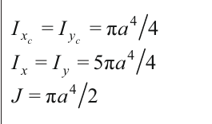
 | FS | 2 |  |  |  |  |  |  |  |  | Pcr | 1000
 | a | 0.25517271393 |  |  |  |  |  |  |  |  | lmax | 10.725
 | D | 0.51034542786 |  | Min Shaft Diameter to stay under Fatigue Stress for piston of machine height |  |  |  |  |  |  | FS | 2

 | Shaft Diameter | 0.75 |  |  |  |  |  |  |  |  | a | 0.25517271393
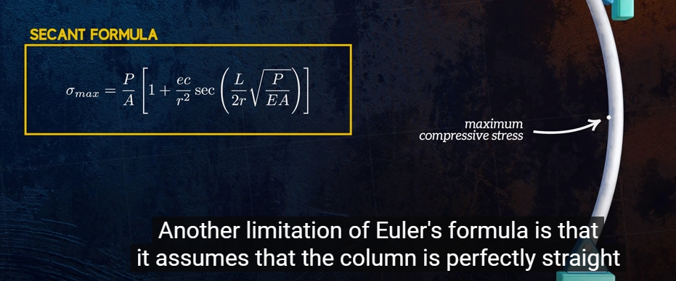
 |  |  |  |  |  |  |  |  |  |  | D | 0.56999648254
check | Critical Stress Buckling | 337851.39033 |  |  |  |  |  |  |  |  | Shaft Diameter | 0.5
 | Critical Stress Due to Plastic Deformation
 |  |  |  |  |  |  |  |  |  | check | Critical Stress Buckling | 150156.17348
 |  |  |  |  |  |  |  |  |  |  | Critical Stress Due to Plastic Deformation

 |  |  |  |  |  |  | psi

 |  |  |  |  | Max Applied Force Normal

 | Piston Lead Screw Initial Sizing |  |  |  |  |  |  |  |  |  |  |  | Screw Strength Check
 | Condition | Max Clothing Compression |  |  |  |  |  |  |  |  |  |  | Condition 1: Max Service Stress |  |  | Condition 2: Max Force Application of Motor | Condition 3: Piston Retract under Vacuum
 | Method | initial estimate of rod size to withstand forces associated with maximum working clothing compression |  |  | Lead Screw Analysis |  |  |  | Screw Mechanical Advantage Check |  |  |  | Tensile Stress |  |  | Determine if screw could withstand max force application achievable by selected motor, calculated following design of the rest of the drive train system | Method: Determine if screws could withstand max compressive force applied by motor.
 |  | Value | Units | Notes | Pre-Spec Screw Dimensions | Value | Units | Note
 | State of Force | Tension | - | - | Material | Mild Steel | - |  |  | Value | Units | Note
 | # of Lead Screws | 2 | - | - | Design Max Stress |  |  |  | Applied Force | 500 | lbf
 | Force Applied to Screws | 500 | lbf |  | FS | 2 |  |  | Normal Reaction Force | 501.79803257 | lbf
 | Max Allowed Stress | 34800 | psi |  | Thread Type | ACME | - |  | Horizontal Component of Normal Force | 42.441318158 | lbf
 | FS | 2 | - |  | Screw Major Diameter | 0.75 | in |  | Friction Force | 95.341626188 | lbf
 | Minimum diameter of lead screw pure tensile stress | 0.19127818286 | in |  | Screw Minor Diameter | 0.5 | inch |  | Force Required to Produce Applied Load | 137.44131816 | lbf
 | mean diameter of Lead Screw | 0.38 | in | ~(3/8") | Screw Mean Diameter | 0.625 | inch |  | Torque application required to move piston | 3.5792009937 | ft-lb
 |  |  |  |  | Mean Screw Circumference | 1.9634954085 | Inch |  | Torque application required to move piston | 687.20659079 | oz-in
 | Unraveled Diameter of Screw | 1.1780972451 |  |  | Minor Diameter Cross Sect. Area | 0.19634954085 |  |  | Torque application required to move piston | 49.474149992 | kg-cm
 | Pitch at Given Diameter | 0.17 |  | From Shigleys | Polar Moment of Inertia of Screw (minor dia) | 0.0061359231515 | in
 | Pitch Angle of Screw | 0.14053843111 |  |  |  |  |  |  | Shear Stress Induced due to Torque | 22399.452334 | psi
 | Polar Moment of Inertia of Screw (minor dia) | 0.0019414444347 |  |  | Screw Pitch | 0.16666666667 | inch/revolution
 |  |  |  |  | TPI | 6 | threads/inch
 |  |  |  |  | Screw Pitch Angle | 0.084679651555 | radians
 |  |  |  |  | Screw Pitch Angle | 4.8517866448 | degrees
 | 1 lb = 16 oz

 |  |  |  |  | Post Calculation Values
 |  |  |  |  | Mechanical Advantage (ideal) |  | lbf/ft-lbf
 |  |  |  |  | Speed Ratio | 0.033333333333 | (ft/min)/RPM
 |  |  |  |  | Speed Ratio | 0.0027777777778 | (in/sec)/RPM
 |  |  |  |  | Screw Efficiency at max design load

 |  |  |  |  |  |  |  |  | Screw Efficiency | 0.95
 | Mohrs Circle Max Stress
 | Stress Y |  |  |  |  | Speed
 | Stress X |  |  |  | Desired Speed | 1 | in/s |  | Torque TO Screw | 49.474149992
 | Shear Stress |  |  |  | Rotational Speed For Screw | 6 | Rotations/Sec |  | Torque out of Gearbox | 26.039026311
 | Center of Circle |  |  |  | Gear Ratio | 0.5
 | Radius of Circle |  |  |  | Speed | 12 | Rotations/Sec
 | Max stress |  |  |  | Speed output of gearbox | 720 | RPM
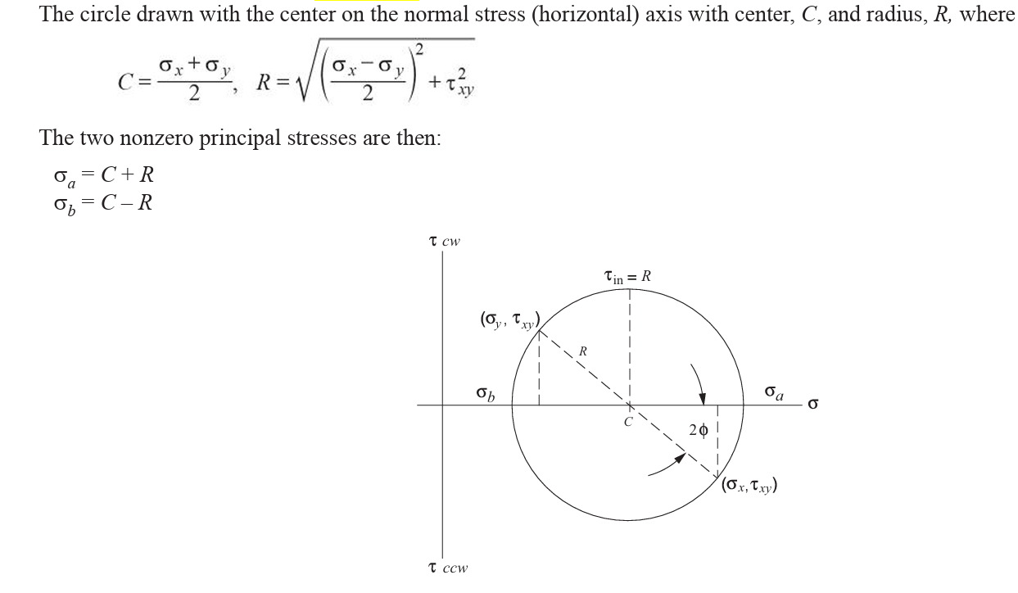

 |  |  |  |  | ft-lb -> | 1.3557483731 | J

 |  |  |  |  | Motor Sizing
 |  |  |  |  | Design Load | 1000 | lbf
 |  |  |  |  | Design Speed | 1 | ft/sec
 |  |  |  |  | Design Power | 1355.7483731 | Watts
 |  |  |  |  | Power Required * Efficiency

 |  |  |  |  | Screw Efficiency | 40%
 |  |  |  |  | Chain Efficiency | 98%
 |  |  |  |  | Gearbox Efficiency
 |  |  |  |  | total expected drive train efficiency

